Quick Start

 |  |  |  |  | feet
 |  |  |  |  | 1
 |  |  |  |  | 1
 |  |  |  |  | 4
 |  |  |  |  | FALSE
 |  |  |  |  | 50
 |  |  |  |  | 1
 |  |  |  |  | 1
DSP Setting Prediction |  |  |  |  | 141.01453341
v1.3 |  |  |  |  |  | ->empty

DATA INPUT
Steered Bass Array Option |  |  |  | Community VLF Presets
Unit |  |  |  | Using One VLF Steered Array Bracket
Temperature | 70.0 | F
Speed of Sound | 1128.1162673 | ft/s
Loudspeakers Quantity:
Select one design guide: |  |  |  | Using Two VLF Steered Array Bracket
 |  | 24.0 | in
 |  | 84.6 | Hz

Over-Delay Adjustment | 0.0% |  | No | Using Three VLF Steered Array Bracket
 | 1.7728669092
Freq of Max Rear Attenuation +/- |  | 71 | Hz
 |  |  |  | Using Four VLF Steered Array Bracket
Polar Pattern

 | 84.6
 | Steered Bass Array Info

Informational Article
Calculator Spreadsheet
Frequency Response Spreadsheet
Notes and Instructions

Calculator
 |  |  |  |  |  |  |  |  |  |  |  |  |  |  | feet |  | 0
 |  |  |  |  |  |  |  |  |  |  |  |  |  |  | 5 |  | 15
 |  |  |  |  |  |  |  |  |  |  |  |  |  |  | 50 |  | 30
 |  |  |  |  |  |  |  |  |  |  |  |  |  |  | 6 |  | 45
 |  |  |  |  |  |  |  |  |  |  |  |  |  |  | 1 |  | 60
 |  |  |  |  |  |  |  |  |  |  |  |  |  |  |  | ->empty | 75
 |  |  |  |  |  |  |  |  |  |  |  |  |  |  |  |  | 90
2D Polar Prediction for Multiple Point Sources |  |  |  |  |  |  |  |  |  |  |  |  |  |  |  |  | 105
v1.3 |  |  |  |  |  |  |  |  |  |  |  |  |  |  |  |  | 120
 |  |  |  |  |  |  |  |  |  |  |  |  |  |  |  |  | 135
 |  |  |  |  |  |  |  |  |  |  |  |  |  |  |  |  | 150
Data Input |  |  |  |  |  |  |  |  |  |  |  |  |  |  |  |  | 165
Unit |  |  |  |  |  | Calculation Accuracy |  |  |  |  |  |  |  |  |  |  | 180
Speed of Sound (air propagation) | 1128.12 | ft/s |  |  |  | Polar Result Parameters: |  |  |  |  |  |  |  |  |  |  | 195
Distance to Listener/Microphone | 40.00 | feet |  |  |  | Graph Range |  |  |  | 50 | dB |  |  |  |  |  | 210
Point of Origin (X) | 0.00 | feet | 0 | inch(es) |  | Graph Scale |  |  |  |  |  |  |  |  |  |  | 225
Point of Origin (Y) | 0.00 | feet | 0 | inch(es) |  |  |  |  |  |  |  |  |  |  |  |  | 240
Point of Origin (Z) | 0.00 | feet | 0 | inch(es) |  | Graph View/Polar Axis |  |  |  |  |  |  |  |  |  |  | 255
 |  |  |  |  |  |  |  |  |  |  |  |  |  |  |  |  | 270
 | Position
0.0 | 0.0
0.0 | 0.0
0.0 | 0.0
0.0 | 0.0
0.0 | 0.0
0.0 | 0.0
0.0 | 0.0
0.0 | 0.0
0.0 | 0.0
0.0 | 0.0
Sound Sources | Phase shift | Position (in) |  |  | Polarity | Delay (ms) | Attenuation | Result |  |  |  | Y |  |  |  |  | 285
 | (deg) | x | y | z | +/- |  | (dB) |  |  |  |  |  |  |  |  |  | 300
Point Source 1 | 0.0 | 0.0 | 0.0 | 0.0 |  | 0.00 | 0.0 |  |  |  |  |  |  |  |  |  | 315
Point Source 2 | 0.0 | 0.0 | 0.0 | 0.0 |  | 0.00 | 0.0 |  |  |  |  |  |  |  |  |  | 330
Point Source 3 | 0.0 | 0.0 | 0.0 | 0.0 |  | 0.00 | 0.0 | X |  |  |  |  |  |  |  |  | 345
Point Source 4 | 0.0 | 0.0 | 0.0 | 0.0 |  | 0.00 | 0.0
 | Position
0.0 | 0.0
0.0 | 0.0
0.0 | 0.0
0.0 | 0.0
0.0 | 0.0
0.0 | 0.0
0.0 | 0.0
0.0 | 0.0
0.0 | 0.0
0.0 | 0.0
Point Source 5 | 0.0 | 0.0 | 0.0 | 0.0 |  | 0.00 | 0.0
Point Source 6 | 0.0 | 0.0 | 0.0 | 0.0 |  | 0.00 | 0.0
Point Source 7 | 0.0 | 0.0 | 0.0 | 0.0 |  | 0.00 | 0.0
Point Source 8 | 0.0 | 0.0 | 0.0 | 0.0 |  | 0.00 | 0.0
Point Source 9 | 0.0 | 0.0 | 0.0 | 0.0 |  | 0.00 | 0.0
Point Source 10 | 0.0 | 0.0 | 0.0 | 0.0 |  | 0.00 | 0.0
 |  |  |  |  |  |  |  |  | Horizontal Axis: |  | Y | Vertical Axis: | X | Positions of point sources from the table
Frequency Selection (10-2000Hz)
Frequency to graph | 100.0 | Hz | Average |  |  | 0.16666666667 | Octave
 |  |  | Upper Frequency Limit |  |  | 105.9 | Hz
 |  |  | Lower Frequency Limit |  |  | 94.4 | Hz

Calculate Multiple Frequencies
Informational Article
Frequency Response Spreadsheet
Quick Start Spreadsheet
Notes and Instructions

 | 100 | 100 | 100
0 | 0 | 1 | 1
15 | 15
30 | 30
45 | 45
60 | 60
75 | 75
90 | 90
105 | 105
120 | 120
135 | 135
150 | 150
165 | 165
180 | 180
195 | 195
210 | 210
225 | 225
240 | 240
255 | 255
270 | 270
285 | 285
300 | 300
315 | 315
330 | 330
345 | 345
 | 100 | 100 | 100
0 | 0 | 1 | 1
15 | 15
30 | 30
45 | 45
60 | 60
75 | 75
90 | 90
105 | 105
120 | 120
135 | 135
150 | 150
165 | 165
180 | 180
195 | 195
210 | 210
225 | 225
240 | 240
255 | 255
270 | 270
285 | 285
300 | 300
315 | 315
330 | 330
345 | 345
Polar A Control Panel |  | Polar A |  |  |  |  |  |  |  |  | Polar B
Frequencies to graph:
100 | Hz
100 | Hz
100 | Hz

Polar B Control Panel

Frequencies to graph:
100 | Hz
100 | Hz
100 | Hz

Note on Calculate Frequency Button:
1. This function relies on Average (bandwidth)
slider and frequency input in the calculator above.
2. Input values and results in Polar A and Polar B
does not have any connections.

Return to Top

Frequency Response
 |  |  |  | TRUE | 20
 |  |  |  | 2 | 20

Frequency and Phase Response Calculator
v1.3

Note: This Spreadsheet utilized the data from 2D Polar Prediction for Multiple Point Sources spreadsheet
Frequency Response
 | 1
Data Input
Listener Position (X) | 30 | feet
Listener Position (Y) | 0 | feet
Listener Position (Z) | 0 | feet
Smoothing | NONE
Number of Samples | 128
Sample Rate | 1000
Max Frequency to Plot | 500 | Hz
Frequency Resolution | 7.8 | Hz
Inverse Square Law |  | Yes**
Phase Response Reference Distance:

Phase Response
 | 1
**Inverse Square Law will result in error if one of the source location is too close to the listener

Informational Article
Calculator Spreadsheet
Quick Start Spreadsheet
Notes and Instructions

 |  |  | Number of Samples (DFT):

Notes and Instructions
 | S u b w o o f e r S t e e r in g S i m u l a t i o n S o f t w a r e
 | v1.3

 | Requirements
 | * | Microsoft Excel 2003 and/or 2007 (PC version)
 | * | Active content/macro has to be enabled
 |  | Excel 2003 users can activate this feature with Tools Menu > Macro > Security > (low)
 |  | Excel 2007 users will be prompted to activate the active content upon opening

 | Spreadsheet General Information
 | * | Adjust the zoom percentage to accommodate easier viewing.
 | * | 1600 x 1280 or higher screen resolution is recommended.
 | * | Please do not change values in the black cells. Input cells are indicated by (dark) blue color.
 | * | This Excel file contains three spreadsheets:
 | 1. | Quick Start Spreadsheet
 |  | > this spreadsheet provides a quick start for the main spreadsheet (Calculator Spreadsheet)
 | 2. | Calculator Spreadsheet
 |  | > 2D Polar Prediction for Multiple Point Sources Calculator
 |  | > this spreadsheet is controlled by Quick Start Spreadsheet
 | 3. | Frequency Response Spreadsheet
 |  | > this spreadsheet calculates the frequency and phase response based on input values in Calculator Spreadsheet
 | 4. | Informational Article

 | Application Notes

 | 1. | Community 2D Polar Prediction for Multiple Point Sources is a tool to predict sound radiation pattern based on
 |  | omnidirectional sound sources (assuming flat frequency and phase response at all frequencies).
 | 2. | Averaging is calculated using three sine waves which frequency is the center-band, lower-band, and upper-band
 |  | based on the selected bandwidth average (shown in Advance mode).
 | 3. | Frequency and phase response calculation are performed using Discreet Fourier Transform. Choosing a higher
 |  | frequency to plot without changing number of sample will result in lower frequency resolution (shown in Advance mode).
 | 4. | All calculations are assuming freespace and no boundary loading for each point source.
 | 5. | Inverse square law loss due to distance is not calculated in the Frequency Response spreadsheet. Inverse Square Law
 |  | option (shown in Advance mode) is calculating SPL adjustment between the mic/listener and each loudspeaker.
 | 6. | To see the frequency response of the rear attenuation, go to the “Frequency Response” spreadsheet and type in a
 |  | negative distance in the “Listener Position (X)” field (the arrangement should be calculated using "Quick Start" spreadsheet).

 | Known Issues

 | 1. | Radio buttons/Scroll Bars cannot be selected.
 |  | > Macro is not activated. Please see Instruction under "Requirements".
 |  | > A cell is still active, please press Enter after inputting any values in a cell.
 | 2. | Sliders/Scroll Bars do not change the value.
 |  | > Sliders/Scroll Bars often lag in Excel, please move them more than once to change the value correctly.
 | 3. | Slow process in the Frequency Response spreadsheet.
 |  | > The speed of the calculation is controlled by the number of samples. This control is located below the phase
 |  | response graph. Recommended setup: Max Frequency: <500Hz, Number of Samples: 128.
 |  | > Changing max frequency to plot (shown in Advance mode) will not affect the calculation speed.
 | 4. | Frequency Response Graph is not smooth
 |  | > Please increase the frequency resolution by decreasing the maximum frequency to plot or increasing the
 |  | number of samples.



 |  | Written by Hadi Sumoro
 |  | Version: 1.3 Alpha#2, Feb 2009

Developer: Hadi Sumoro 2008-2009

Info
Informational Article

Notes and Instructions
Subwoofer Placement & Setup | Polar Pattern |  |  | Stage-Audience | Frequency Response
 | (Freespace without Boundary Loading) |  |  |  | Red - Frequency Response Prediction in the Audience Area
 | 50Hz | 80Hz | 110Hz | Orientation | Blue - Frequency Response Prediction on the Stage
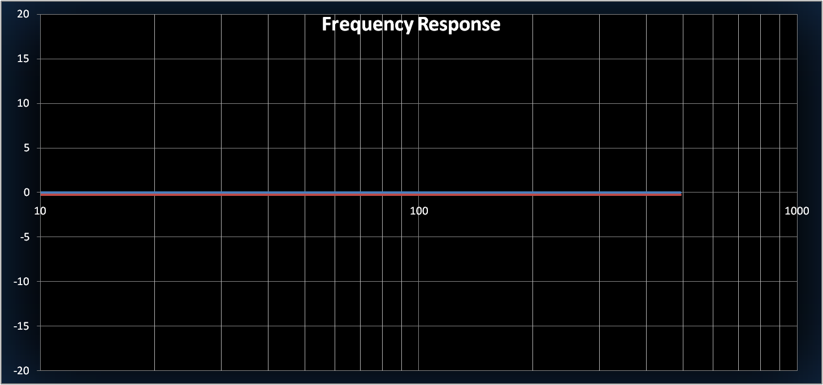
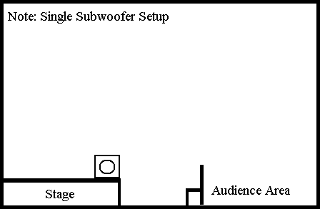 | 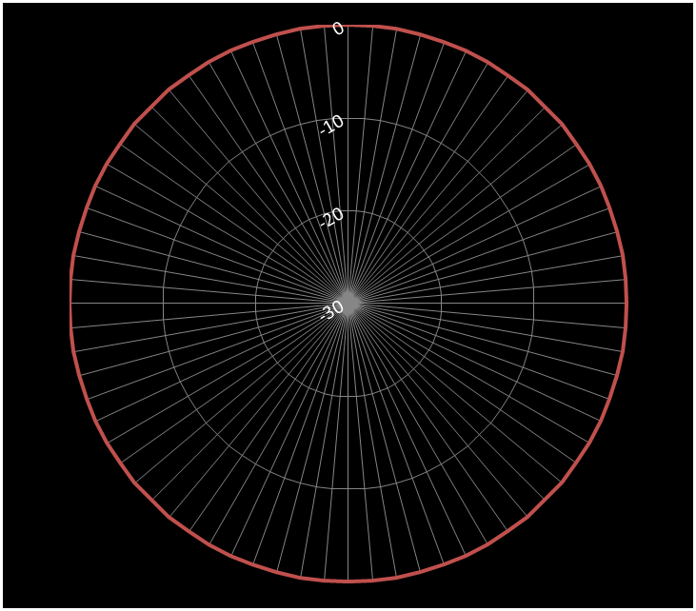 | 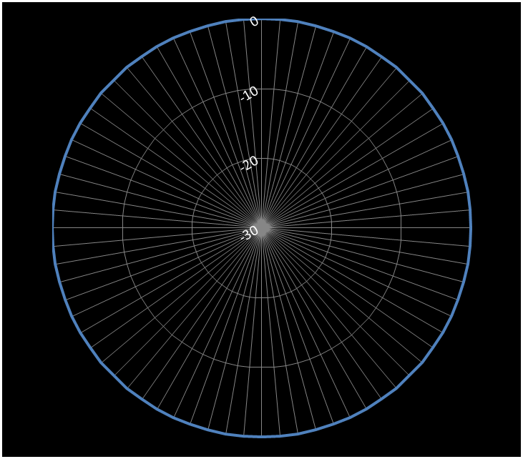 | 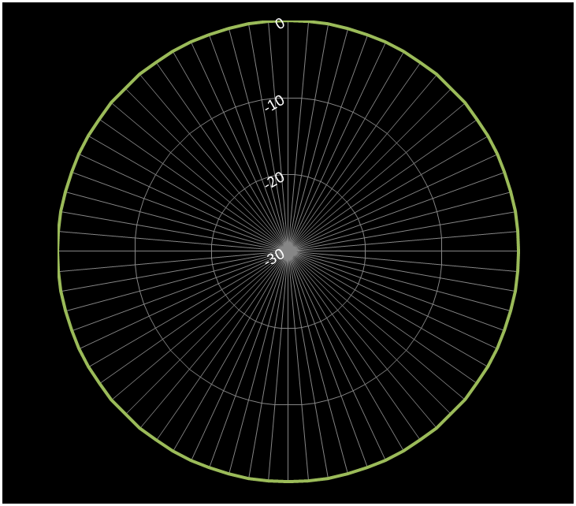 |  |  | Red - 50ft away from the stage

 |  |  |  | Ceiling
 |  |  |  | Stage

 |  |  |  | Audience |  | Blue - 20ft behind the subwoofer
 |  |  |  | Floor

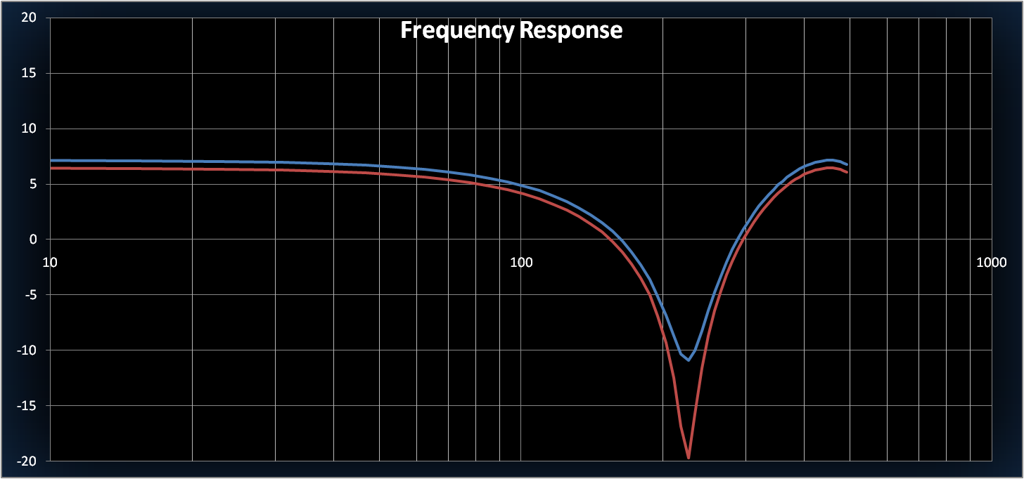
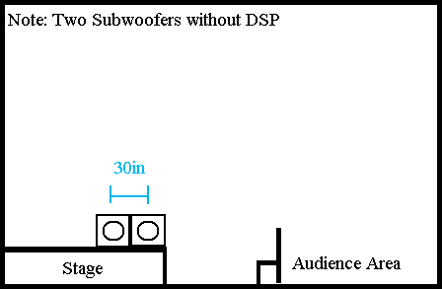 | 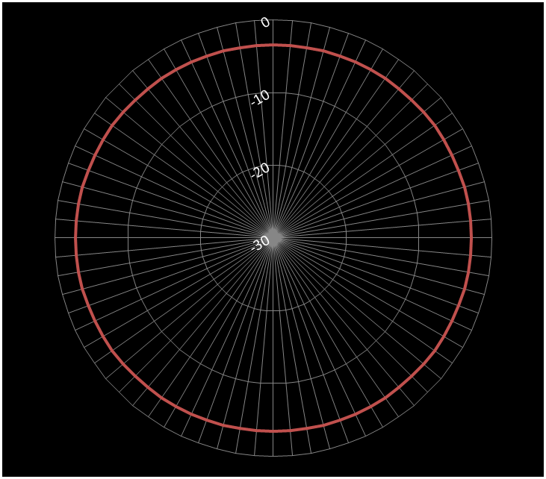 | 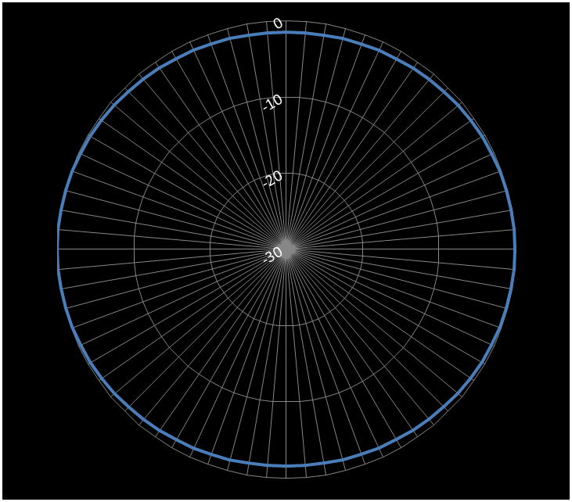 | 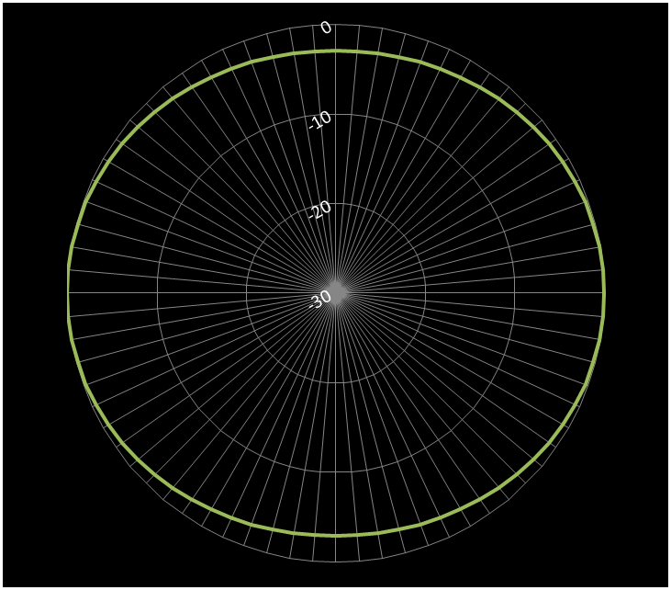 |  |  | Red - 50ft away from the stage

 |  |  |  | Ceiling
 |  |  |  | Stage

 |  |  |  | Audience |  | Blue - 20ft behind the sub arrangement
 |  |  |  | Floor

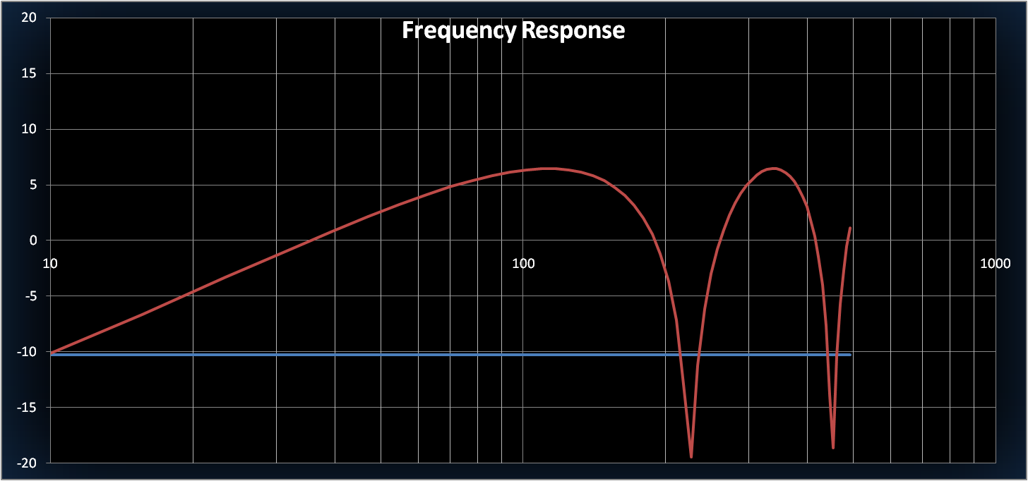
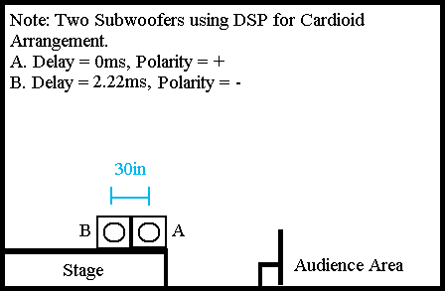 | 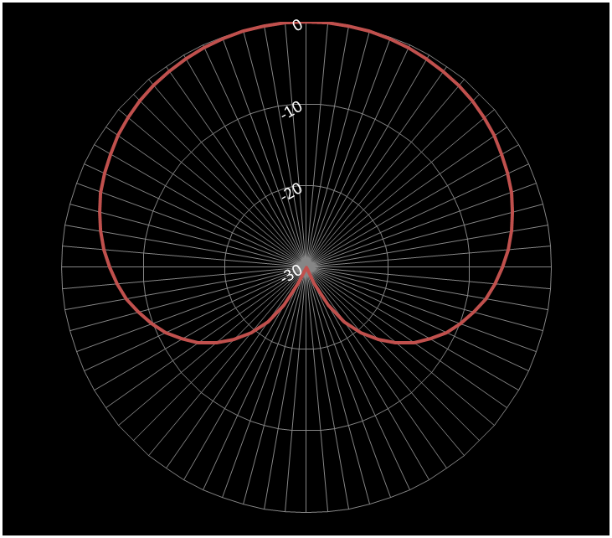 | 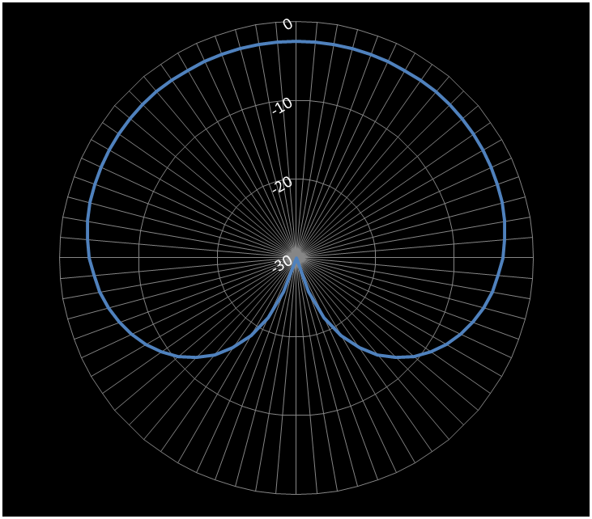 | 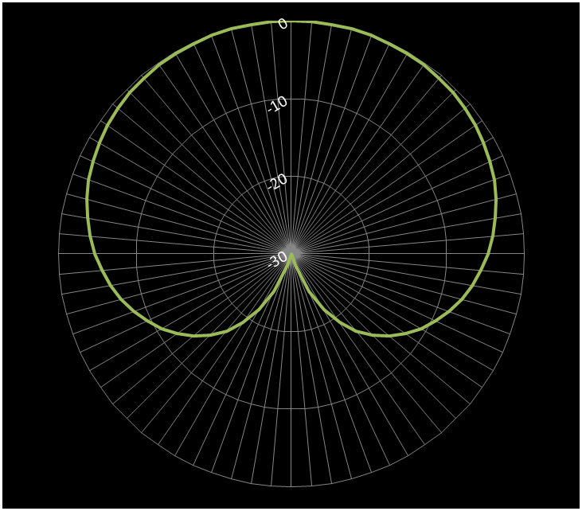 |  |  | Red - 50ft away from the stage

 |  |  |  | Ceiling
 |  |  |  | Stage

 |  |  |  | Audience |  | Blue - 20ft behind the sub arrangement
 |  |  |  | Floor

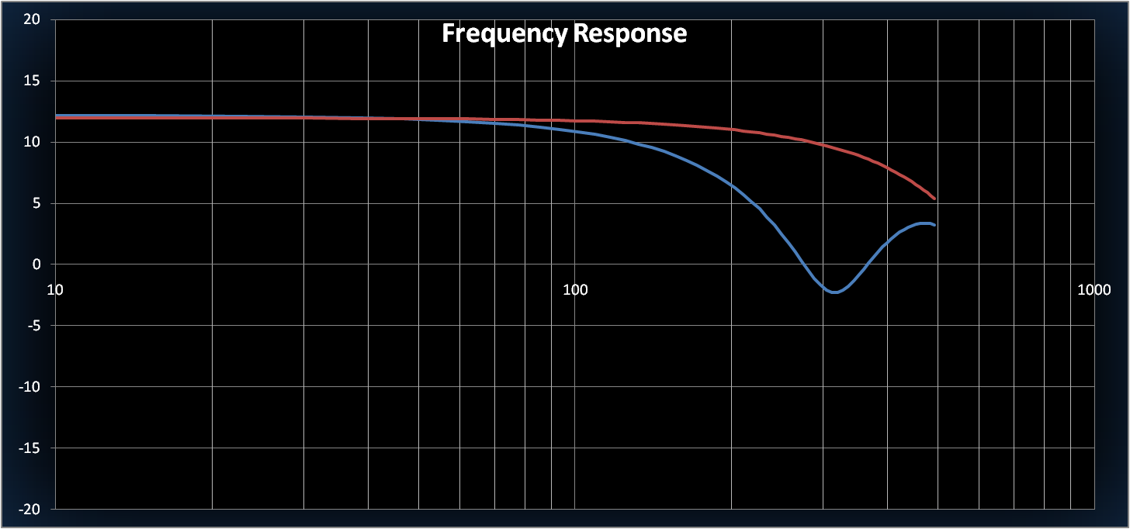
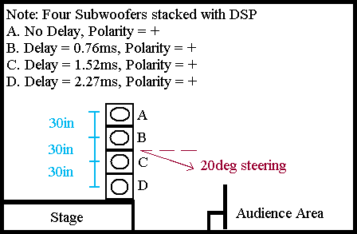 Vertical steering calculation is not supported in Quick Start | 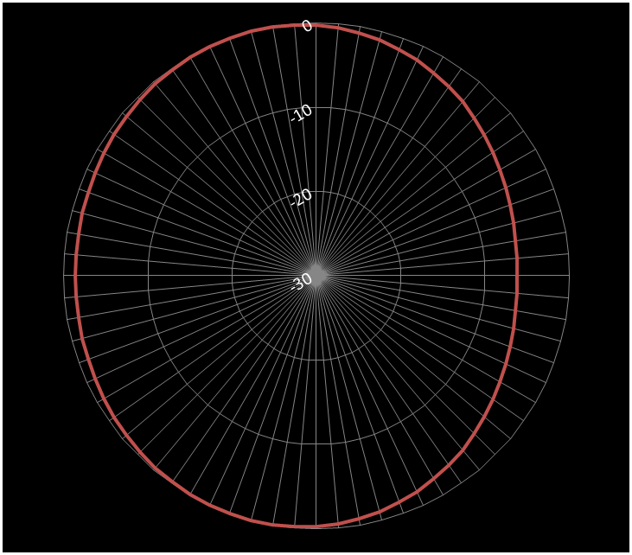 | 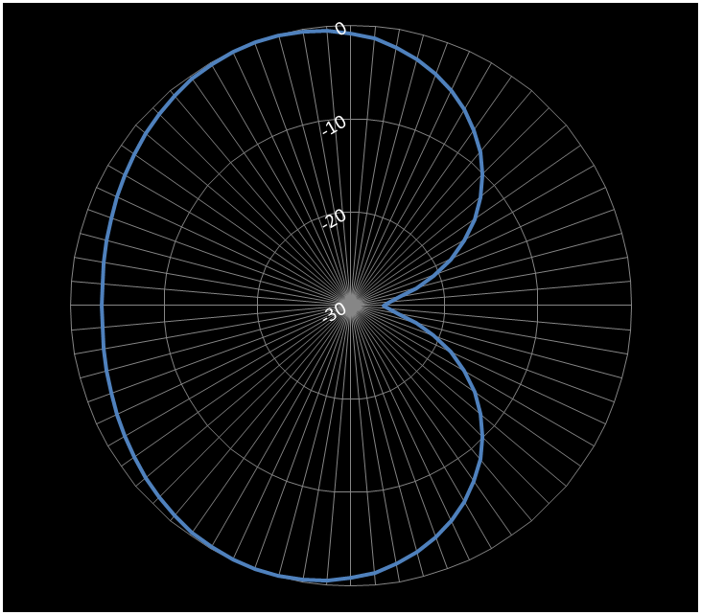 | 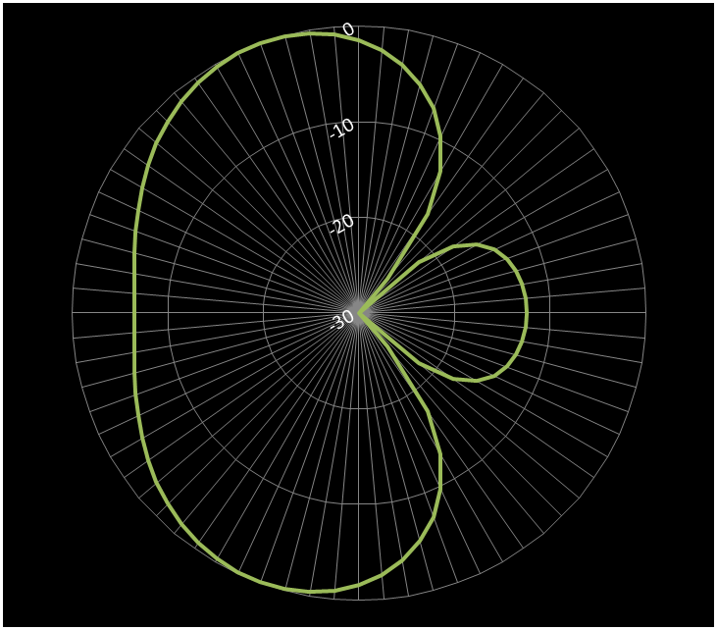 |  |  | Red - 50ft front and 10ft below the center of the stack

 |  |  |  | Ceiling
 |  |  |  | Stage
 |  |  |  |  |  | Blue - 20ft behind the center of the stack
 |  |  |  | Audience
 |  |  |  | Floor

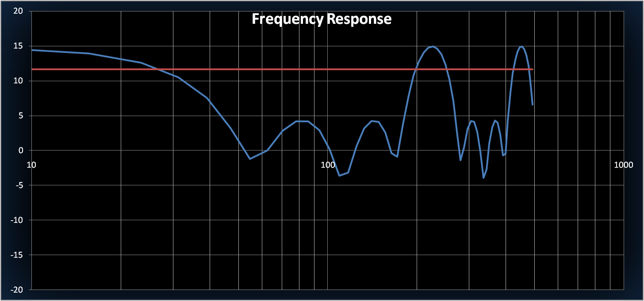
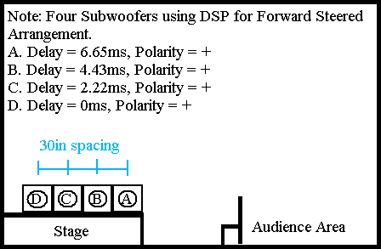 | 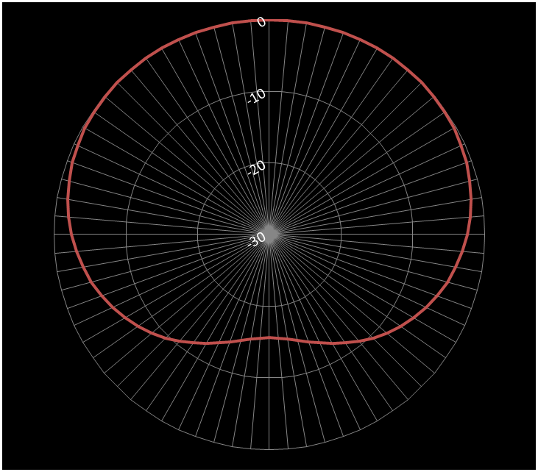 | 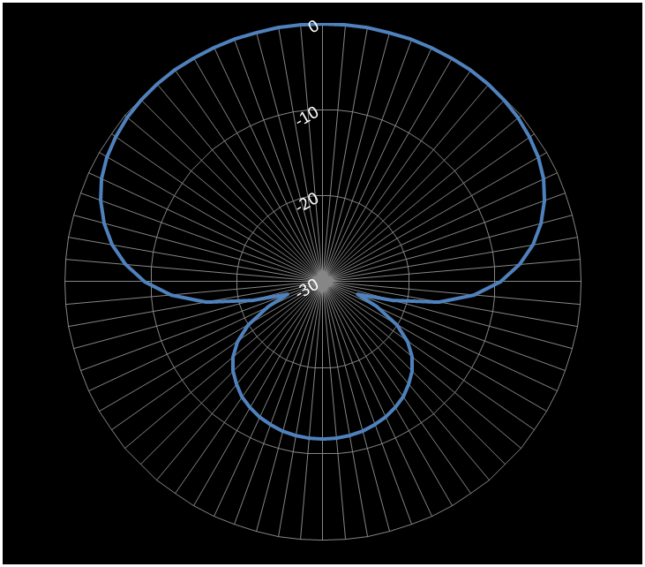 | 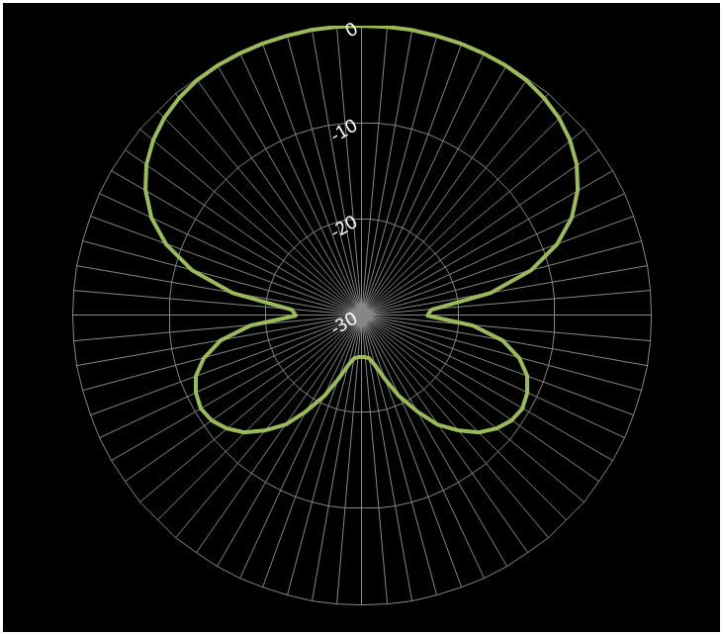 |  |  | Red - 50ft away from the stage

 |  |  |  | Ceiling
 |  |  |  | Stage

 |  |  |  | Audience |  | Blue - 20ft behind the sub arrangement
 |  |  |  | Floor

Notes and Instructions

CARDIOID ARRAY - A cardioid array produces a constant polar pattern at all frequencies which lie below its Upper Frequency Limit (sometimes called its Design Frequency). The polar pattern is characterized by very deep rejection nulls at some defined angle behind the array at all frequencies below the Upper Frequency Limit. There are many different typed of Cardioid Patterns to choose from depending on the angle(s) at which maximum output rejection is required. A Cardioid Array is most useful when it is necessary to keep bass energy at all frequencies from reaching a stage or some other surface.
The on axis frequency response of a 2 cabinet Cardioid Array is characterized by low frequencies (below the Upper Frequency Limit) rolling off at 6dB / Octave. A 6dB / Octave shelving boost equalizer must be applied in order to maintain a flat on axis frequency response. For a 4 cabinet array, the low frequency roll off and complementary shelving equalizer will be 12 dB / Octave. This shelving boost requires an amplifier to be used that has at least 6-12dB more headroom available than would be used if the 2 or 4 cabinets were amplified in a non-cardioid manner.
Above the Upper Frequency Limit the polar pattern becomes erratic. The on axis frequency response is characterized by a series of peaks and nulls above this frequency as well. Due to both of these conditions it is not recommended to use the output of a Cardioid Subwoofer Array above its Upper Frequency Limit. The low pass filter for the array should be set to the same frequency as the Upper Frequency Limit specified in the Quick Start spreadsheet for each design.
STEERED ARRAY – These arrays are also sometimes known as “Forward Steered” or “Endfire Steered” Arrays. The mathematics to produce them is the same regardless of the name. A steered array is characterized primarily by its “Frequency of Maximum Rear Attenuation”, the frequency at which the energy directly behind the array is at its minimum.
The polar patterns produced by a Steered Array are not as consistent as a Cardioid Array; each set of frequencies produces a slightly different polar pattern. The useful rear rejection null produced by a Steered Array is not as deep as a Cardioid Array, works over a smaller range of frequencies than does a Cardioid Array and does not create any rear rejection at very low frequencies. The useful low frequency limit of the array (rear of the array is approximately 6dB lower than the front) is roughly 10-20Hz below the Frequency of Maximum Rear Attenuation (the exact frequency is dependent on the array configuration). The length of the array is directly proportional to its usable bandwidth (i.e., a 5 cabinet array has a wider usable bandwidth than a 3 cabinet array).
A Steered Array is a good compromise when the cost and complexity of implementing a Cardioid Array makes it unsuitable for a particular application. The Steered Array is also useful when it is necessary to keep a narrow range of frequencies from reaching a stage or some other surface (for eliminating low frequency feedback, etc.).
NOTE: To see the frequency response of the rear attenuation, go to the “Frequency Response” tab and type in a large negative distance in the “Listener Position (X)” field.
The Frequency of Maximum Rear Attenuation can be modified over a small range of frequencies for a given spacing by modifying the amount of “Over Delay” applied to each speaker. With 0% Over Delay applied the on axis frequency response of the array is perfectly flat. As the Over Delay is increased (to a maximum of 50%) the on axis frequency response will begin to exhibit peaks and nulls above the “Upper Frequency Limit”.
As the Frequency of Maximum Rear Attenuation is moved lower, the recommended Upper Frequency Limit is also reduced. At frequencies above the Upper Frequency Limit, the performance of the array becomes erratic and can produce polar patterns that are detrimental to good sound reproduction (like extremely wide rear lobes which can bounce off of walls unpredictably). At a frequency approximately 2X the Upper Frequency Limit, the output to the rear of the array will begin to exhibit very high amplitude peaks and nulls (some of the peaks may exceed the output from the front of the array). It is recommended that the low pass filter for the array should be set approximately equal to the same frequency as the Upper Frequency Limit specified in the Quick Start spreadsheet for each design.

Calculator Spreadsheet
Quick Start Spreadsheet
Notes and Instructions

